Product Category by months
Row Labels | Sum of Sales Revenue (USD)
Apparel | 5570
Jan | 900
Feb | 1100
Mar | 1860
Apr | 1710
Electronics | 14700
Jan | 3600
Feb | 3150
Mar | 3750
Apr | 4200
Home & Garden | 12340
Jan | 2200
Feb | 2450
Mar | 2990
Apr | 4700
Grand Total | 32610

Product Category and sales Reve
Row Labels | Sum of Sales Revenue (USD)
Apparel | 5570
Electronics | 14700
Home & Garden | 12340
Grand Total | 32610

Sheet5
Row Labels | Sum of Sales Revenue (USD)
Jan | 6700
Feb | 6700
Mar | 8600
Apr | 10610
Grand Total | 32610

Sheet6
Sum of Sales Revenue (USD) | Column Labels
Row Labels | In-store | Online | Grand Total
Apparel | 5570 |  | 5570
Electronics |  | 14700 | 14700
 | In-store | Online
Apparel | 5570
Electronics |  | 14700
Home & Garden |  | 12340
Home & Garden |  | 12340 | 12340
Grand Total | 5570 | 27040 | 32610

Dashboard
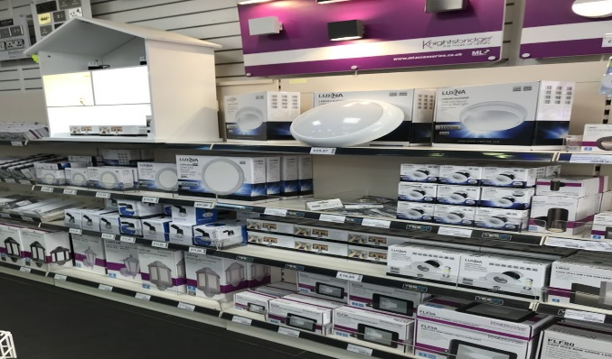
RETAIL PROBLEM ASSIGNMENT

 | Total
Jan | 6700
Feb | 6700
Mar | 8600
Apr | 10610
 | Total
Apparel | 5570
Electronics | 14700
Home & Garden | 12340
 | In-store | Online
Apparel | 5570
Electronics |  | 14700
Home & Garden |  | 12340

